Bug Report
Defect Report |  | Defect Report |  | Defect Report

Release | V.1.0 | Release | V.1.0 | Release | V.1.0
Title | User is not able to register | Title | All feildes in register page should be limited char | Title | date of birth should be before 2019
Description | It happens in all the browsers and all the screen views , login button isn't clickable cause the state and city always shaded in red and doesn’t accept any value and isn't print any massage. | Description | Any feild i can write on it limited number of char , or the fild should be shaded or massage appear that user write the limited char | Description | The minimum of age of any user to use website should be 5 year at least
Steps | 1- Fill a correct first name. 2- Fill a correct email. 3- Select gender. 4- Fill a correct mobile phone with10 digits. 5- Fill a correct date of birth. 6- Fill a correct subject. 7- Select hobbies. 8- Select picture. 9- Fill a correct address. 10- Select a state and city. 11- Click on login button | Steps | 1- Fill any number of char in first name. 2- Fill any number of char in email. 3- Select gender. 4- Fill any number of char in mobile phone. 5- Fill any number of char in date of birth. 6- Fill any number of char in subject. 7- Select hobbies. 8- Select picture. 9- Fill any number of char in address. 10- Select a state and city. 11- Click on login button | Steps | 1- Fill a correct first name. 2- Fill a correct email. 3- Select gender. 4- Fill a correct mobile phone with10 digits. 5- Fill any date of birth. 6- Fill a correct subject. 7- Select hobbies. 8- Select picture. 9- Fill a correct address. 10- Select a state and city. 11- Click on login button
Expected Results | Should register correctly | Expected Results | The fild should be shaded , or massage appear that user write the limited char | Expected Results | The user minimum age should be 5 year , or massage should be appear that the minimum age of user should be 5 year
Actual Result | Registration Failed. | Actual Result | I can write any number of char without any problem | Actual Result | I can register with any date of birth
Environment | Chrome V.129 | Environment | Chrome V.129 | Environment | Chrome V.129
Screenshot / Video | 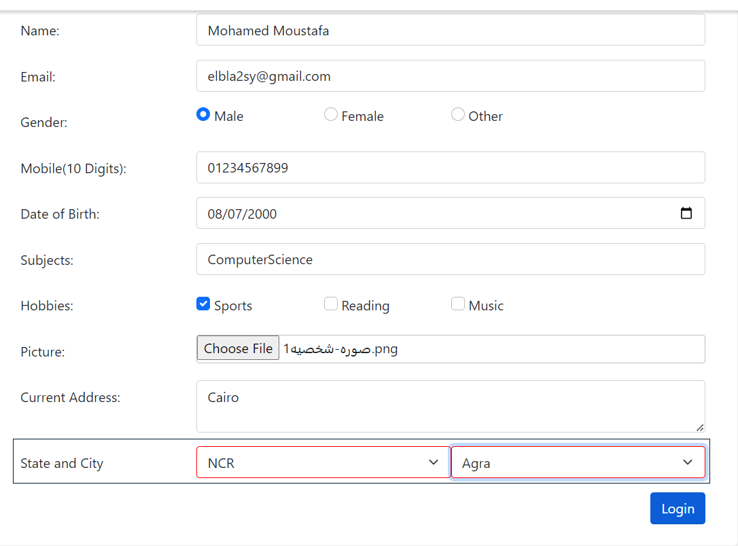 | Screenshot / Video | 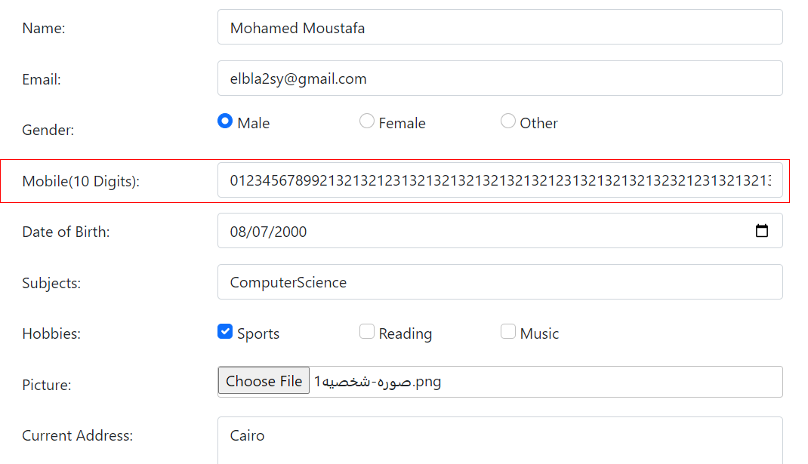 | Screenshot / Video | 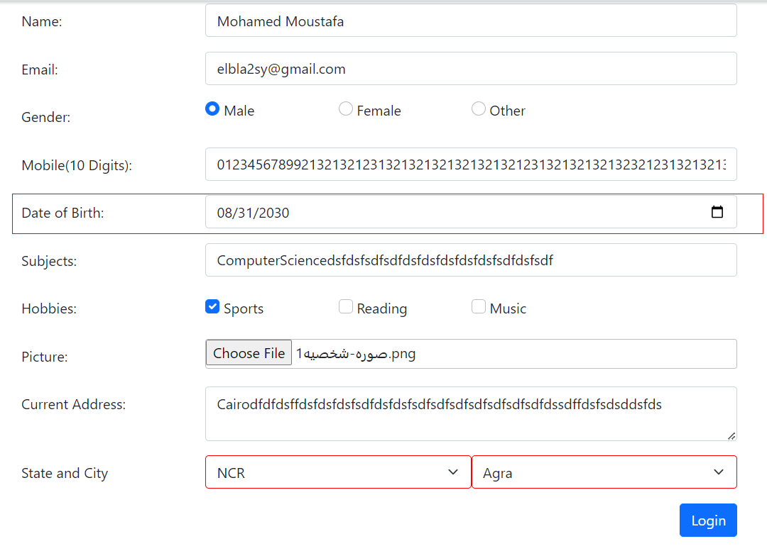
Rate | 2022-05-05 | Rate | 2022-05-05 | Rate | 2022-05-05
Priority | High | Priority | High | Priority | High
Status |  | Status |  | Status

